SL2021-180
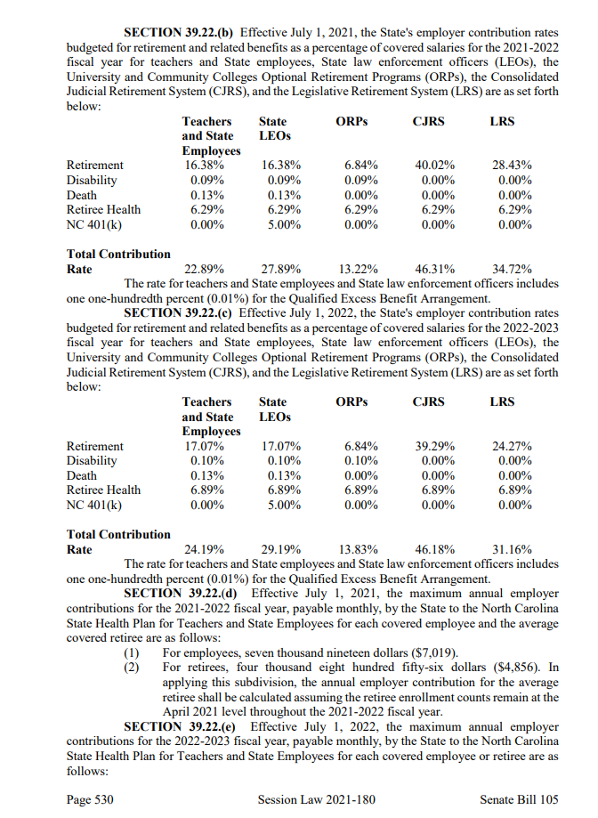
Session Law 2021-180

